Sheet1
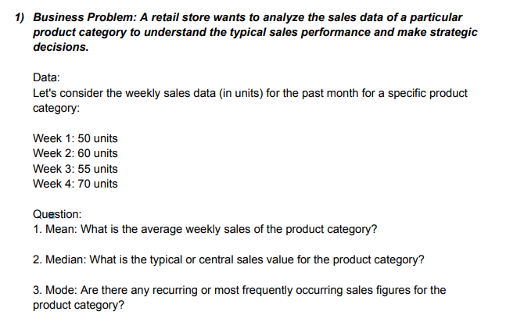
ANSWERS

MEAN | 58.75
MEDIAN | 57.5
MODE

